Document Details
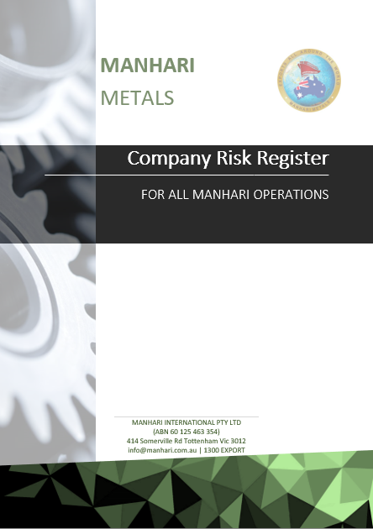

This document is the Manhari Management Co. risk register to cover all Manhri business operations.

 | Approved By: | Shannon Crawford | Approved Date: | 2020-10-16
 | Version No: | 1.0 | Renewal Date: | 2021-10-16

Risk Matrix
Risk Matrix

Category | Insignificant | Minor | Moderate | Major | Catastrophic
Legal Compliance | Internal Notifications | Reportable – No follow up | Reportable with Immediate actions | Reportable with follow up audit | Fines & Stoppage notices
Safety and Health | Near miss | First Aid treatment | Hospitalisation required - temporary condition | Permanent condition | Fatal
Financial | < $10k | $10k - $100k | $100k - $200k | $200k plus | >Insolvency
Quality Assurance | Internal review only | Recommendations | Improvement Notices | Non Comformaties | Stop Notice
Reputation | Internal stakeholders perception | One off media attention - local | Negative media coverage over 2 weeks | Business subject to ongoing public or Government criticism | Complete Loss of Business
Business Continuity | Incident can be delt with at site level within busienss hours | Incident can be delt with within 24 hours | Complete site disruption lasting more than 24 hours but less than 48 hours | Complete site disruption lasting more than 48 hours | Stoppage of all operations
Environment | No lasting environmental damage | Short term environmental damage to a small area | Medium term environmental damage to a widespread area | Widespread, long term environmental damage | Significant, permanent environmental damage
Stakeholder complaints | Internal review only - no action required | Internal review only - action required | Reported to Governing body or repeated internal reviews | Legal review required | Legal Convictions
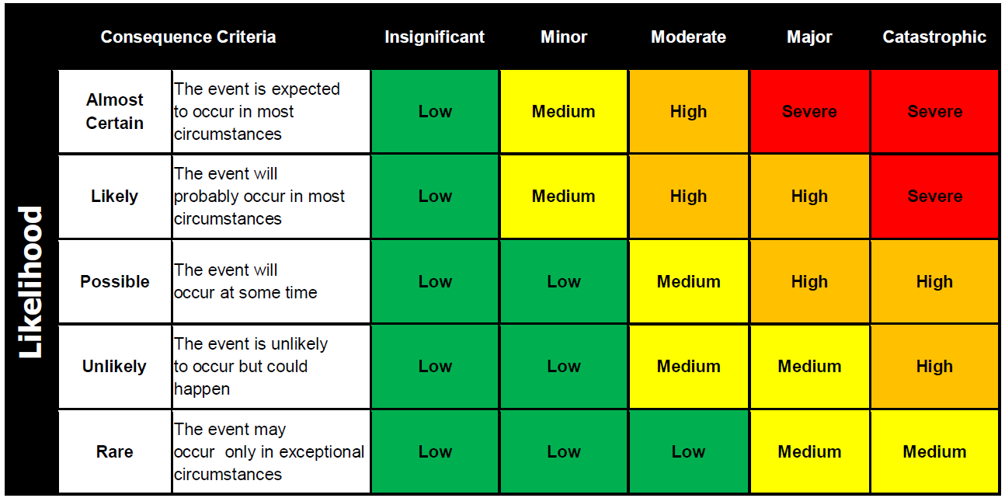

Significant Environmental Aspects (SEAs) are the ones that are rated as 'High" Risk.
An Enviornmental Aspects shall be considered SEA, where there is Legislative (L) or Community Concern (C ) overide
Manhari Metals shall take actions to address SEAs

Actions Required
Severe: | Immediate action needed. Access to the hazard should be restricted until the risk can be lowered to and acceptable
 | level. Short term action may be required to lower the risk and then medium and long term plans to control the risk as
 | low as reasonably practicable using the Hierarchy of Controls.
High: | Action needed quickly (within 1-2 days). This task should not proceed unless the risk is assessed and control options
 | selected based on the Hierarchy of Controls
Medium: | Action required within a reasonable timeframe (2-4 weeks) to eliminate or minimise the risk using the Hierarchy
 | of Controls
Low: | Risk to be eliminated or lowered when possible using the Hierarchy of Controls.

